Instructions
INSTRUCTIONS FOR THE MATURITY MODEL TOOL

The Maturity Model is an assessment tool that helps service providers determine the effecgtiveness of a service experience from a citizen perspective. It is intended to provide a reference point for assessing the current state of the citizen service, identify challenges and opportunities, and pinpointing enablers required to improve the service (i.e. skills, processes, tools, technology, policy).
There are seven attributes in the Maturity Model against which a citizen’s journey in accessing a public service can be assessed. These attributes were introduced in the User Guide.
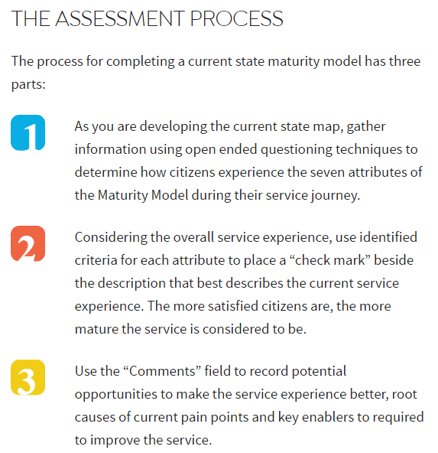
Once you have completed the Maturity Model Interface tab and checked each of the attributes as they apply to your service you can print the document. The print area has been set to landscape and legal size.
In addition when you check the boxes related to each attribute it provides information for the Data tab. The fields in the Data tab are locked so that the formulas are not broken but can still be turned into a pivot table for easier data analysis.
This excel sheet can be used to assess your current state and also a future state by saving the document for each assessment you do.
If you would like more information you can access the User Guide for the Maturity Model here.

Based on the assessment for each attribute, you can identify how satisfied a citizen would be with a specific service. A mature service is an exemplary service.
The further a service is to the left-hand side of the maturity model, the less mature it is. Service providers want to move from left to right over time to improve the effectiveness of a service.

Maturity Model Interface
Attributes
Services are meeting some of my expectations
Services are meeting many of my expectations
I am impressed by the quality of service I am receiving
 | Information about the service is easy to find. | I do not have to provide the same information multiple times. | My service experience is intuitive and seamless.
 | My services are easy to use and understand. | Information I provide is pro-actively used to complete a service or for my related services in accordance with my wishes (e.g. data entry fields are pre-populated with that information). | My services are easy to use and understand no matter how I am accessing them (e.g. online/digital, in-person, over the phone).
 | The instructions, processes and forms are straightforward and easy to follow and complete. |  | My services are easy to use and understand no matter how many organizations are involved in providing the service.
 |  |  | My service experience is personalized and can adapt to my changing needs and situation (e.g. name change, change in employment status).
Comments:
 | My services are conveniently located and easy to find (e.g. in person services are found in the same physical location). | My services are grouped together in a way that makes sense to me (e.g. newcomer services, retirement services). | I can find everything I need to complete the service wherever I first access it (e.g. online/digital, in-person, over the phone).
 | I can access the service in the way that suits me best (e.g. online/digital, in-person, over the phone). Self-serve options are available. | I can start a service one-way (e.g. in-person), and complete it another way (e.g. online) in the way that works best for me. | I can access services anywhere, anytime, on any device.
 | I can get assistance with accessing services when I ask for it (e.g. teletyping (TTY) technology) so my unique needs, such as being deaf or hard of hearing, are not a barrier to accessing service). | Assistance with accessing a service are readily available before I ask (e.g. TTY technology). | The assistance I receive with accessing services meets the highest standards (e.g. universally recognized).
 | My services are available in my preferred language.
Comments:
 | Changes I make to my information (e.g. address) are captured by all the organizations involved in that service, (e.g. setting up a small business), within the same jurisdiction (e.g. a province) so that I don’t have to provide it more than once. | Changes I make (e.g. address change) are reflected across some jurisdictions. | Changes I make (e.g. address change) are reflected across all jurisdictions.
 | I receive accurate information about the service I need from all the organizations involved in providing that service within the same jurisdiction. (e.g. within a province). | I receive accurate information about the service I need from all the organizations providing that service across key jurisdictions. | I receive accurate information about related services I need across jurisdictions.
Comments:
 | When I go to get a service, I know how long it will take, what supporting documents I will need, and when I will receive the service. | My service providers anticipate my needs such as for a life event (e.g. birth of a child) or an unexpected event (e.g. natural disasters) and suggest related services (e.g. child care benefits). Related services are bundled to reduce steps. | I am automatically offered related services as appropriate (e.g. eligibility for certain benefits based on age or income level).
 | The time it takes to get the service is reasonable. | My services are streamlined. | I am impressed with how fast I receive the service.
 | The cost of the service is reasonable. | My information is shared as appropriate between different levels of government to reduce the need for me to provide it more than once.
 | I can move smoothly through the steps to complete the service (not stuck, bounced around or caught in a loop).
Comments:
 | I receive my services in a respectful, helpful and professional manner. | When I have a problem, it is resolved in a reasonable amount of time. | I am asked to provide feedback on how the services I use can be improved.
 | My unique circumstances including distinct needs are taken into consideration in communications. | I am proactively informed on the status of my service request if issues or delays are encountered. | I understand how the information and feedback I provide will be used to improve services
 | I can easily follow-up and find out the status of my service and service history. | It is evident that people like me have been engaged to test services before they’re launched to ensure they meet my needs. | It is evident my service providers are working with people like me to design the service (e.g. through certification standards).
 | When I have a problem, I am confident I will get the help I need to resolve it. | My feedback is actively sought.
 | It is clear how I can provide feedback about the service.
Comments:
 | I am confident that my services are delivered while reducing fraud. | I have given permission for my information to be shared to support my service requests. | I have control over the sharing and use of my information.
 | My information is used for the purposes I intended. | I am receiving the benefits I am entitled to. | I know fraudulent use of my information is being prevented.
 | I am treated fairly and ethically. | Benefits are targeting only those who need them. | I know measures are in place to prevent fraudulent access to benefits.
Comments:
 | My information and privacy is protected. | I have a single self-identification method (e.g. login) to see a subset of my services at once to check the status, see the history or update those services (e.g. all provincial services, all federal services). | I have a single self-identification method (e.g. my digital identity) to see all my services at once to check the status, see the history or update those services.
 | I am confident security protocols and tools against new or potential threats (e.g. cybersecurity threat, data breach) are quickly implemented.
 | My safety is a primary consideration during the delivery of services (e.g. public health protocols in place during pandemic).
Comments:

